Metrics and Plots
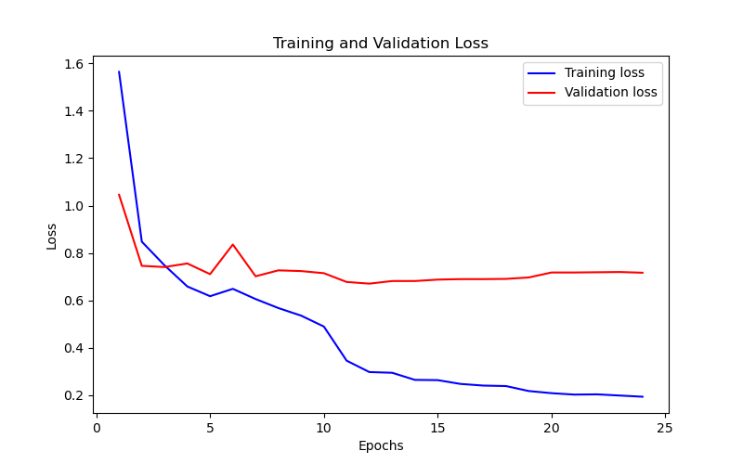
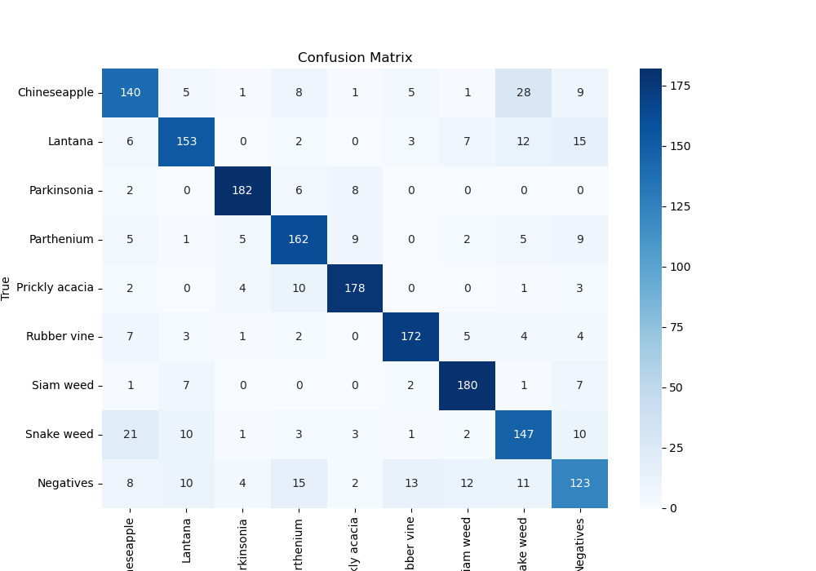
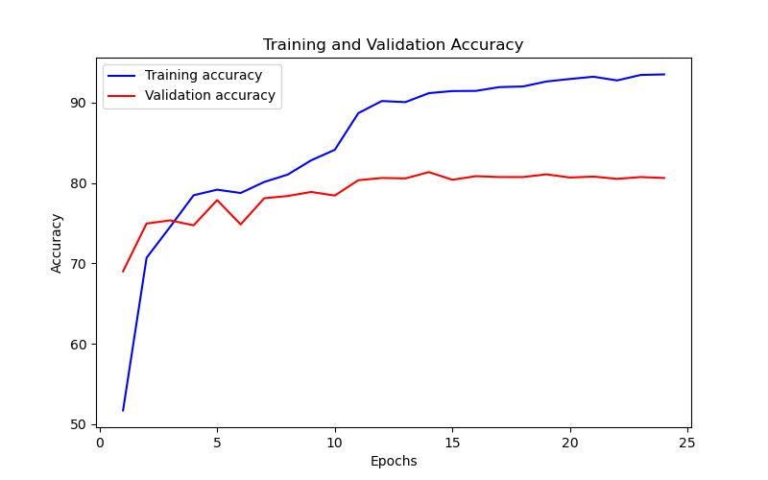
Epoch | Train Accuracy | Train Loss | Validation Accuracy | Validation Loss
1 | 51.73 | 1.564 | 69.023569024 | 1.046
2 | 70.71 | 0.848 | 74.971941639 | 0.746
3 | 74.55 | 0.748 | 75.364758698 | 0.741
4 | 78.49 | 0.659 | 74.747474747 | 0.756
5 | 79.18 | 0.618 | 77.890011223 | 0.711
6 | 78.77 | 0.649 | 74.859708193 | 0.836
7 | 80.14 | 0.606 | 78.114478114 | 0.702
8 | 81.06 | 0.568 | 78.395061728 | 0.727
9 | 82.84 | 0.536 | 78.900112233 | 0.724
10 | 84.14 | 0.49 | 78.451178451 | 0.715
11 | 88.7 | 0.346 | 80.359147026 | 0.678
12 | 90.21 | 0.298 | 80.63973064 | 0.671
13 | 90.07 | 0.295 | 80.583613917 | 0.682
14 | 91.19 | 0.265 | 81.369248036 | 0.682
15 | 91.45 | 0.264 | 80.415263749 | 0.688
16 | 91.47 | 0.248 | 80.864197531 | 0.69
17 | 91.94 | 0.241 | 80.751964085 | 0.69
18 | 92.02 | 0.239 | 80.751964085 | 0.691
19 | 92.64 | 0.218 | 81.088664422 | 0.697
20 | 92.95 | 0.209 | 80.695847363 | 0.718
21 | 93.23 | 0.203 | 80.808080808 | 0.718
22 | 92.77 | 0.204 | 80.527497194 | 0.719
23 | 93.45 | 0.199 | 80.751964085 | 0.72
24 | 93.52 | 0.194 | 80.63973064 | 0.717

